Material Conversion details
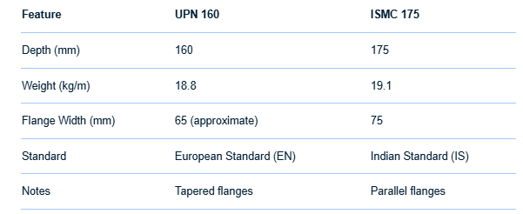
Type | DRG. Material | Alt. Material | Type | Size (mm) | Alternate size (mm) (As per indian availablity) | Remarks
Beam | ASTM A572 Gr. 50 / S355JR | IS 2062 E350 A/BR | Beam | W-BEAM, 190 X 450 | NPB 450x190x 67.16
BOP Unistruct | G40.21-44W / A572 G50 | Gi Sheet 2mm thk | Beam | W-BEAM 600 X 220 | NPB 600x 220x 107.57
Channel | A36/S275JR | IS 2062 E250 A/BR | Channel | UPN 200 x 75 | ISMC 200 x 75
Channel | ASTM A572 Gr. 50 / S355JR | IS 2062 E350 A/BR | Channel | UPN 160 X 65 | ISMC 175x 75 | Or builtup to achive the Dimension as per UPN 160 with suitable thickness and material
Pipe | ASTM A106 GR.B | ASTM A106 GR.B | Channel | UPN 80 X 45 | ISMC 75x40 | Or builtup to achive the Dimension as per UPN 160 with suitable thickness and material
Pipe | G40.21-44W | ASTM A106 GR.B | Rec Tube | 100x80x 5thk | 100x80x6
Pipe | G40.21-44W / A572 G50 | ASTM A106 GR.B | Rec Tube | 120x80x 5thk | 120x80x6.5
Pipe | EN 10216-2 P265GH | ASTM A106 GR.B | Rec Tube | 150x100x 12thk | 150x100x11to12
Plate | ASTM A572 Gr. 50 / A516 Gr.70 / S355JR/ G40.21-44W | IS 2062 E350 A/BR | Rec Tube | 150x80x 10thk | 150x80x9.5 to 10thk
Plate | A36/S275JR/SA 516 GR.70 | IS 2062 E250 A/BR | Rec Tube | 200x150x 12thk |  | Available as required
Plate | A.S.T.M. A106 GR.B | IS 2062 E350 A/BR | Rec Tube | 150x50x 6thk |  | Available as required
Plate | EN 10025-2 S355J2 | IS 2062 E350 A/BR | Sq. Tube | 40x40x 5thk |  | Available as required
Rod | A36/275JR | IS 2062 E250 A/BR | Sq. Tube | 50x50x 5thk |  | Available as required
Rod | BROWNING SCS-2 | EN 19 | Sq. Tube | 80x80x 10thk | 80x80x 8thk
Rod | AISI C1045 | EN 19 | Pipe | Dia 101.6 x 8.08 thk |  | Available as required
Rod | A572 Gr. 50 | IS 2062 E350 A/BR | Pipe | Dia 114.3 x 8.56 thk |  | Available as required
Tube | A36/S275JR | YST 310 | Pipe | Dia 168.28 x 10.97thk |  | Available as required
Tube | ASTM A516 Gr.70/S275JR | YST 310 | Pipe | Dia 21.3 x 2.77 thk |  | Available as required
Tube | ASTM A500 GR B | YST 310 | Pipe | Dia 33.4x 6.35 |  | Available as required
Tube | EN 10025-2 S355J2 | YST 310 | Pipe | Dia 60.3 x 3.91 thk |  | Available as required

